Support Docs Needed-Chklist
PAYROLL AND OTHER DOCUMENTION REQUIRED FOR THE CARES ACT / PAYCHECK PROTECTION PROGRAM (PPP LOAN)
Checklist - Documentation and Support Required
 |  | rev 4/04/20
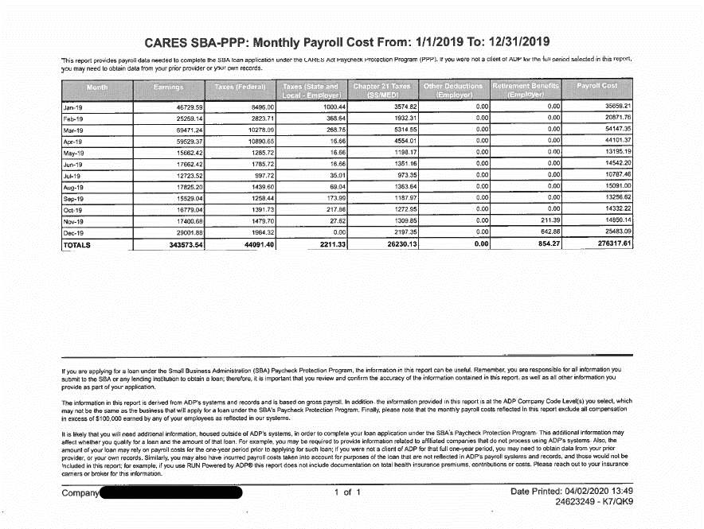
The SBA has not provided specific detail on the required documentation to accompany the PPP Loan application or Debt Forgiveness. The list below is an attempt to prepare the borrower to apply for a PPP Loan. Additional supporting information and documentation may be required to process the borrowers loan application and/or application for PPP Loan debt forgiveness

Payroll Documentation & Support Required to be Submitted to Bank for Loan Application:

 | Provide documentation with sufficient detail to support the loan amount (examples below).

(1) | Application: SBA Form 2483 (04/20): Paycheck Protection Program/Borrower Application Form | Required
(2) | A 3rd-Party prepared form made specifically in accordance with the SBA/Payment Protection Plan CARES Act. See an example to the right for an example document. See 'Example Support Documentation' tab example 'A.' This is also screenshotted to the right, in tan, for convenience. | Optional but must choose one from (#2, #3, or #4). If #2 is chosen then just need documentation of 2019 healthcare costs paid by business for employees
(3) | 2019 Payroll Processor Records from a 3rd party provider (i.e. ADP, Paychex, Oracle, etc.). This should have a) total payroll for full year 2019, by employee, as reported to the IRS. These records should also, b), have a summary full year 2019 page for all employees and break out at the following items as they are applicable to your business : Salary, wages, commissions, other compensation, cash tips or equivalent, vacation pay, FMLA leave or equivalent, vacation, sick leave, allowance for separation or dismissal, payments for all Group health care coverage including insurance premiums, payments for all retirement plan contributions and costs. | Optional but must choose one from (#2, #3, or #4). This option typically has all of the infomration we need.
(4) | IRS Form W3, or Forms 941, for the entire year of 2019. | Optional but must choose one from (#2, #3, or #4). If choose #4 then #5 is required. Will still need all other supporting docs for healthcare, retirement, taxes etc
(5) | Fill out the 'Employee over $100M' Tab in full | Strongly suggested for fastest turnaround if you provide #3. Required if #4 is chosen.
(6) | **If Applying as an Independent Contractor** 2019 Independent Contractor Costs – Listing of 1099s-MISC for 2019 independent contractors, by person, as reported to the IRS. (Note: Do NOT include 1099’s for services).

This information will be needed to present to the bank or SBA for Loan Forgiveness (at a later date):

(1) | Copies of payroll tax reports filed with the IRS which includes Form UIA 1028 or Forms 941, 940, state income and unemployment tax filing reports for the 8 week period following the origination of the loan.
(2) | Copies of payroll reports for each pay period for the 8 week period following the origination of the loan. Gross wages including PTO (which might include vacation, sick, and other PTO) should be reflected.
(3) | Documentation reflecting the health insurance premiums paid by the company under a group health plan including owners of the company for the 8 week period following the origination of the loan should be provided. Copies of the monthly invoices should suffice.
(4) | Documentation of all retirement plan funding by the employer for the 8 weeks following the origination of loan should be sufficient. Copies of work papers, schedules and remittances to the retirement plan administrator should be available.
(5) | Copies of all lease agreements for real estate and tangible personal property should be presented along with proof of payment during the 8 week period following the loan origination date.
(6) | Copies of all statements of interest paid on debt obligations incurred prior to February 15, 2020 indicating payment amounts and proof of payment for the 8 week period following the loan origination date.
(7) | Copies of cancelled checks, statements or other evidence of utilities paid during the "covered period" for the 8 week period following the loan origination date.

IMPORTANT NOTES:
Each lender may require more or less information. In addition, each borrower will need to make a certification that the documentation is true and correct, the amount for which forgiveness is being requested was used to make payments to retain employees and to make interest payments on covered mortgage obligations, covered rent obligations and covered utility payments. In addition, the SBA may request further information.

Example Support Docs
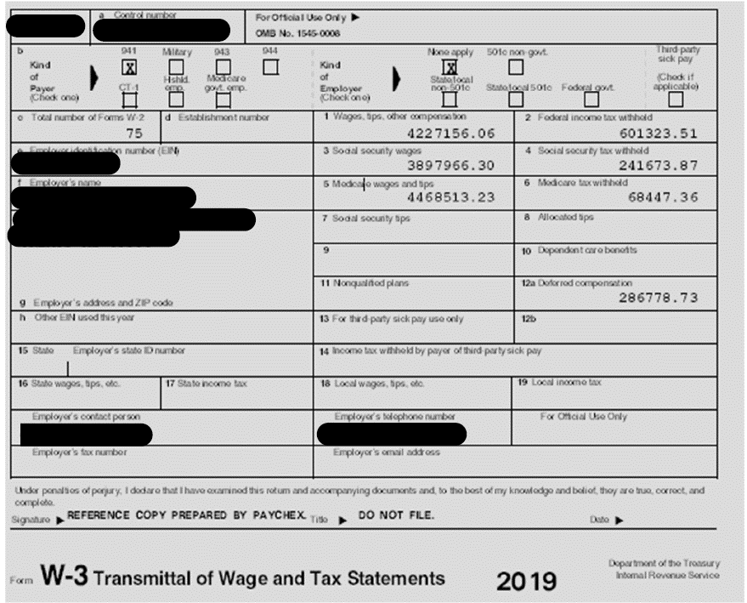
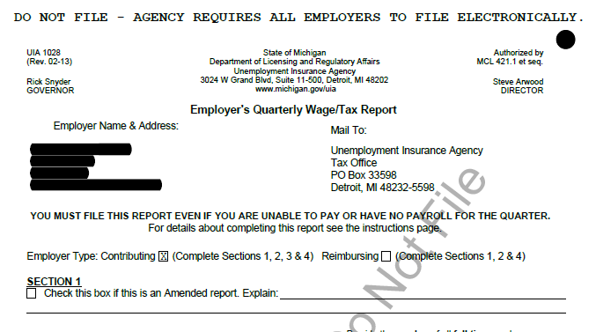
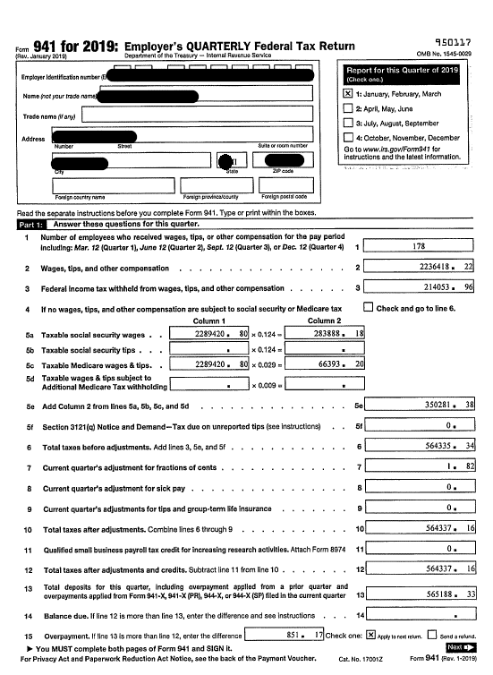
A

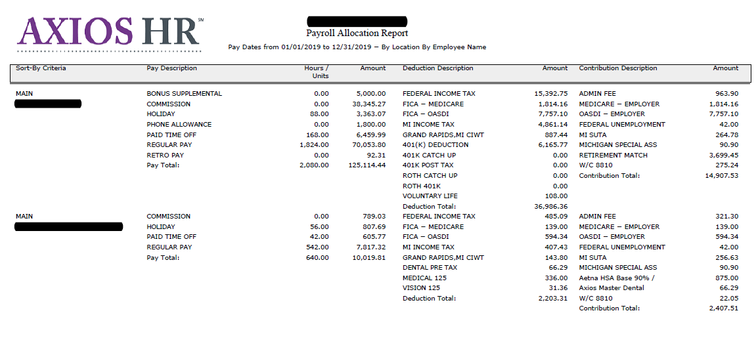
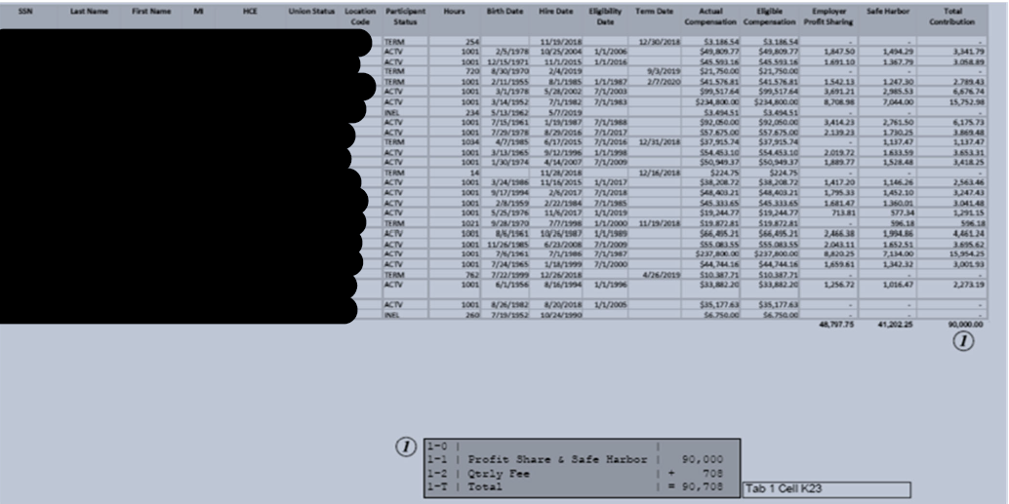
A

